Two-valued logic
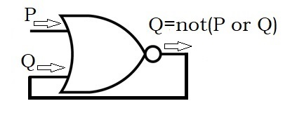
Buridan's proof of the existence of God. |  |  |  | TRUE
The machine evaluates the output state by pressign F9. |  |  |  | FALSE

 | FALSE | God exists.
 | TRUE | Non of the senrences in this pair is true. | FALSE

